Disclaimer
TAXES AND LEAVE PROVISIONS WORKSHEET
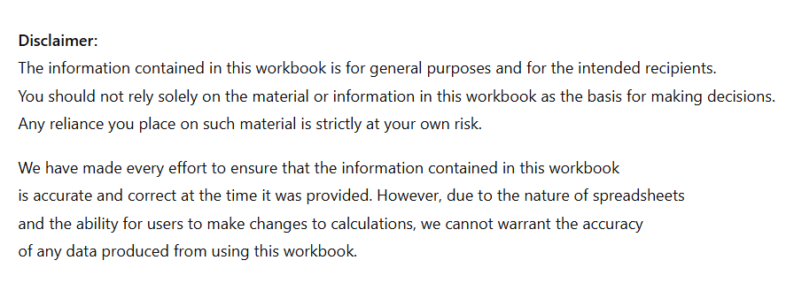

Rachel Paterson
Conduit Business Solutions Limited

